Ships
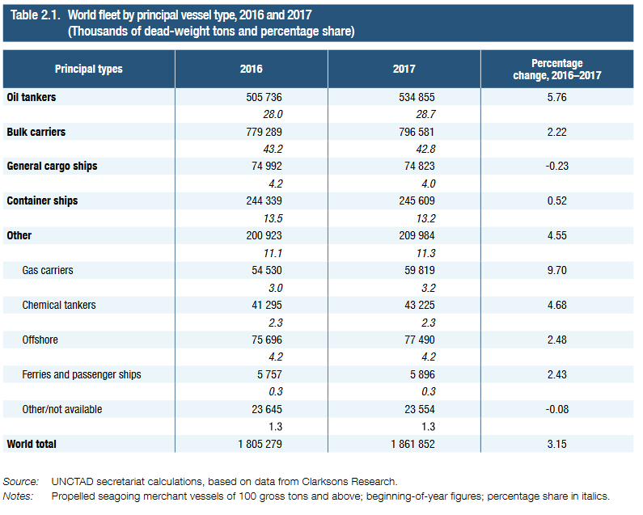
Statistical Notes 2: Registration
In descending order of gross tonnage, the 20 leading merchant fleets are as follows
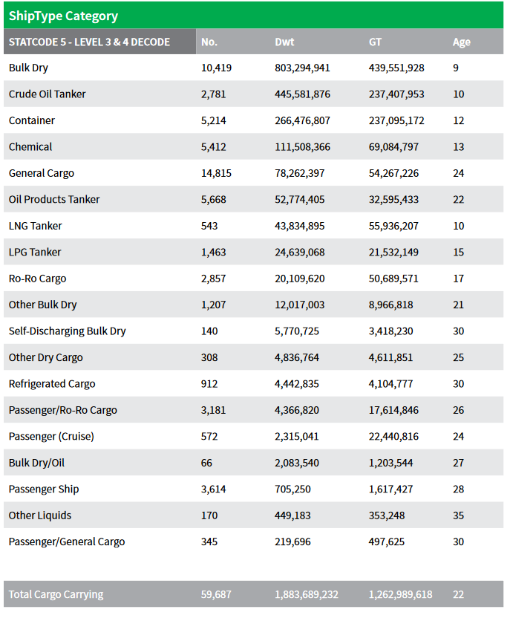
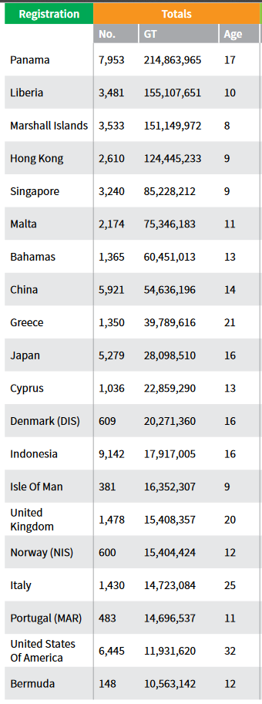

 | <-- | comparison

